Personalization
Logo Express Personalization Form
MUST BE INCLUDED WITH LOGO EXPRESS SERVICE ORDER FORM (ID 0617-01-MC) AND EMAIL TO Logo.Express@MSAsafety.com.

REQUESTER |  |  |  |  |  |  | SHIP TO
Requested by: |  |  |  |  |  |  | Company:
Address: |  |  |  |  |  |  | Name:
City, State & Zip |  |  |  |  |  |  | Address:
Phone:
Fax: |  |  |  |  |  |  | City
Region: |  |  |  |  |  |  | State
MSA Sales Associate: |  |  |  |  |  |  | Zip
Font Selection: Arial Bold, Rockwell Bold, or Times New Roman Bold |  |  |  |  |  |  | Phone:
 |  |  |  |  |  |  | Email Address:
 |  |  |  |  |  |  | Customer Company/Name
 |  |  |  |  |  |  | BL #s to being included (N/A if none)

Personalization: Limited to 20 characters including spaces, Max of 15 characters for the H1 Safety Helmet.
Colors Available: BLACK, RED, BLUE, or WHITE
NOTE: Colored shells can only use black or white ink Red & blue ink can only be printed on white shells Black ink can be used on both white & colored shells
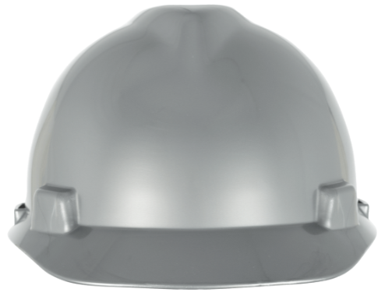 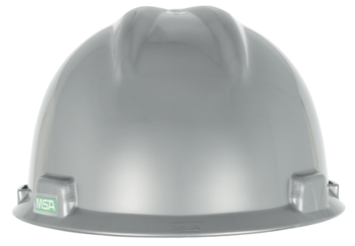
FRONT
RIGHT
LEFT
BACK

PERSONALIZATION IS CASE SENSITIVE
Total Personalization | 0
0 |  |  | 0 |  |  | 0 |  |  | 0
ENTER TEXT BELOW FOR FRONT PERSONALIZATION | COLOR | CHARACTER COUNT | ENTER TEXT BELOW FOR RIGHT SIDE PERSONALIZATION | COLOR | CHARACTER COUNT | ENTER TEXT BELOW FOR LEFT SIDE PERSONALIZATION | COLOR | CHARACTER COUNT | ENTER TEXT FOR BACK PERSONALIZATION | COLOR | CHARACTER COUNT

 | ID 0617-17 /January 2021 |  |  |  |  |  | MSAsafety.com

